1. Title Page
Instacart Grocery Basket Analysis

Project Name: Instacart Grocery Basket Analysis
Date: October 10th 2022
Analyst Name: Alexandra Lindsay

Contents:
Population Flow
Consistency checks
Wrangling steps
Column derivations
Visualizations & Recommendations

2. Population Flow
 |  |  |  |  |  |  |  |  | Title page

Population flow

Exclusion flag
Condition: max_order < 5
Obervations to be removed: 1,440,295
Final total count of order_products_all: 30,964,564

 |  |  |  |  |  |  | 206,209
3,421,083 |  | 32,434,489 |  |  | 49,693

 |  |  |  |  |  | 49,672 |  | 206,209
3,421,083 |  |  | 32,434,489

Orders_products_combined
Orders_products_merged
Orders_products_all

Total:
 |  |  |  |  |  |  |  |  | The condition above was requested on behalf of the Instacart CFO to excluse customers that have less than 5 orders.
Total:
Total:
 | 32,640,698 |  |  | 32,404,859 |  |  | 32,404,859 |  | The observations that were removed were a total of the condition above, the customer name due to customer privacy laws, the eval_set column as it was unnecessary,

 |  |  |  |  |  |  |  |  | The final total count is the remainder of the data after the observations that were removed above.

3. Consistency checks
 |  |  |  | Title page
Consistency checks

Dataset | Missing values | Missing values treatment | Duplicates
orders | 206,209 missing values in the days since last order column | The reason why this data is missing is because represents the first order of the user_id | no duplicates found
products | 16 missing values in product_name column | missing values must go back to vendor to find the missing values
 | 2 price discrepencies | 2 values above 100 changed to nan(missing values)
orders_products_prior |  | none found
customers | first name column is missing 11259 names | The customer first name missing. But this is irrelevant since their names removed for customer privacy | no duplicates found

4. Wrangling steps
 |  |  |  |  | Title page
Wrangling steps

dataset | Columns dropped | Columns renamed | Columns' type changed | Comment/Reason
order.csv | eval_set |  |  | removed because was not necessary
 |  | days_since_prior_order chaged to Days since last order |  | name was not clear
 |  |  | order_hour_of_day changed from float64 to int | changed to be a 24 h a day number
 |  | order_dow changed to order_day_of_week |  | name was not clear
departments.csv |  | added column names deparment_id and departments |  | name was not clear. Helped to merged to main dataframe
customer.csv |  | Surnam' changed to 'Last Name' |  | for name consistency
 |  | STATE' changed to 'State' |  | for name consistency
 |  | date_joined' changed to 'Date joined' |  | for name consistency
 |  | n_dependants' changed to 'No of dependents' |  | for name consistency
 |  | fam_status' changed to 'Marital status' |  | for name consistency
low_activity_cust.pkl | First name and last name |  |  | for customer privacy
 |  |  | changed first name type to string | to be uniform and not mixed data
 |  |  | changed last name type to string | to be uniform and not mixed data

5. Column derivations
Column derivations and aggregations

Dataset | New column | Column/s it was derived from | Conditions | Frequency
orders_products_merged.pkl | price range loc | Prices | No data | NaN | 21,104,410
 |  |  | prices less than or equals to 5 = low range products | Low range products | 10,126,321
 |  |  | prices less than or equals to 15 and greater than 5 = mid range products | Mid range products | 756,450
 |  |  | prices >15 = high range products | High-range products | 417,678
 | busiest day | order_day_of_week | regular busy is the rest | Regular busy | 22,416,875
 |  |  | Busiest day is 0 | Busiest day | 6,204,182
 |  |  | Least busy is 4 | Least busy | 3,783,802
 | 2 busy/slow days | order_day_of_week | regular busy is the rest | Regular busy | 12,916,111
 |  |  | the 2 busiest = 0,1 | Two busiest days | 11,864,412
 |  |  | the 2 slowest = 3,4 | Two slowest days | 7,624,336
 | busiest period of day | order_day_of_week | most orders are between the hours of 9 to 17 | Most orders | 21,118,071
 |  |  | Average orders are the rest | Average orders | 11,182,265
 |  |  | the fewest orders are between 3 to 5 | Fewest orders | 104,523
order_busy_frequencies.pkl | loyalty flag | Max order | Max total orders bewteen 10 and 40 orders = regular customer | Regular customer | 15,876,776
 |  |  | Max total orders over 40 orders = loyal customer | Loyal customer | 10,284,093
 |  |  | Max total orders under 10 orders = new customer | New customer | 6,243,990
 | spend flag | Mean_price | mean_price of 10 and lower = low spender | Low spender | 31,770,614
 |  |  | mean_price higher than 10 = high spender | High spender | 634,245
 | order frequency flag | median since last ordered | If the median is lower than or equal to 10 = Frequent customer | Frequent cust | 21,559,853
 |  |  | If the median is higher than 10 and lower than or equal to 20 = Regular customer | Regular cust | 7,208,564
 |  |  | If the median is higher than 20 = Non-frequent customer | Non-frequent cust | 3,636,437
 |  |  | no data | NaN | 5
orders_products_cust_combined.pkl | activity flag | total_orders | regular activity customers have greater than 5 orders | Regular_activity | 31,143,977
 |  |  | low activity customers have less than 5 orders | Low_activity | 2,799
 | age group | age | adults ranges between 24-64 | Adult | 19,472,283
 |  |  | seniors are 65 and over | Senior | 8,235,984
 |  |  | young adults ranges between 18-24 | Young adult | 3,438,509
 | income flag | income | Middle income ranges from 52,000-156,000 | Middle class | 24,574,247
 |  |  | Low income ranges from 0-52,000 | low income | 3,725,391
 |  |  | Upper income ranges from 156,000 and higher | upper class | 2,847,138
 | dependent flag | No of dependents | flag based on if no of dependents is 0 = no dependents if >0 = parent | Parent | 23,348,347
 |  |  |  | No dependents | 7,798,429
 | has pets? flag | department_id | flag based on deparment ID (8) =Yes. If other departments = No | No | 3,415,160
 |  |  |  | Yes | 94,036

6. Visualization and Recommenda
 |  |  |  |  |  |  |  |  |  |  |  |  | Title page

Visualisations & Recommendations

 | 1. The sales team needs to know what the busiest days of the week and hours of the day are (i.e., the days and times with the most orders) in order to schedule ads at times when there are fewer orders.
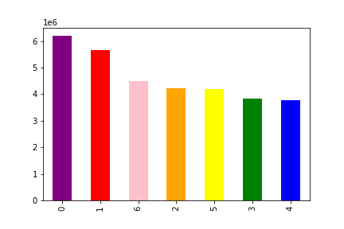


 |  |  |  |  |  |  |  | legend: | 0 | Saturday
 |  |  |  |  |  |  |  |  | 1 | Sunday
# of orders |  |  |  |  |  |  |  |  | 2 | Monday
 |  |  |  |  |  |  |  |  | 3 | Tuesday
 |  |  |  |  |  |  |  |  | 4 | Wednesday
 |  |  |  |  |  |  |  |  | 5 | Thursday
 |  |  |  |  |  |  |  |  | 6 | Friday

 |  |  |  | day of the week
 |  |  |  |  |  |  |  |  |  |  |  |  |  |  |  | hours by 24 hours
 | The graph above depicts the busiest day of the week. In this case it is Saturday.
 | Since the top three busiest days are from Friday to Sunday, ads could run during the end of the work week. |  |  |  |  |  |  |  |  |  |  |  | As we can see in this histogram, the most popular hours are between 0800-1900.
 | Most companies pay their employees on Thursday so advertisement could start on Thursdays. |  |  |  |  |  |  |  |  |  |  |  | Ads could run just before the popular hours.

 |  | Recommentation: Run ads Monday to Thursday between the hours of2000-0759

 | 2. They also want to know whether there are particular times of the day when people spend the most money, as this might inform the type of products they advertise at these times

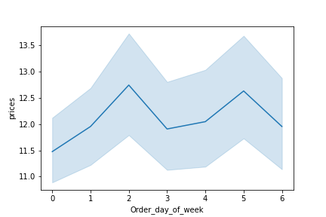
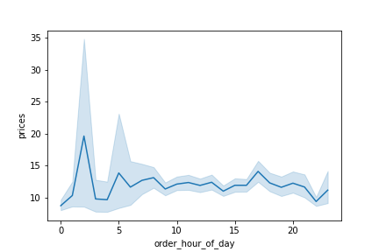

 |  |  | we can also see that the customers buy higher priced items on Monday and on Thursday. |  |  |  |  |  |  |  | In this line chart we can see that the busiest times of day are in the early hours of the morning between midnight to 7am with a spike around 1600.
 |  |  |  |  |  |  |  |  |  |  | Ads could run around these time to maxizme their purchasing.

 |  |  | Recommendation: Run ads on Mondays and Thursdays between midnight and 7am.

 | 3. Instacart has a lot of products with different price tags. Marketing and sales want to use simpler price range groupings to help direct their efforts.



 |  |  |  | Prices

 |  | The graph above shows the distribution of the prices and the frequencies. Most of the prices are grouyped between $1 and $15.

 |  | Recommendation: If we would like to use different price rage groupings could be done in groupings of: under $5, between $5 and $15 and $15 and above.

 | 4. Are there certain types of products that are more popular than others? The marketing and sales teams want to know which departments have the highest frequency of product orders

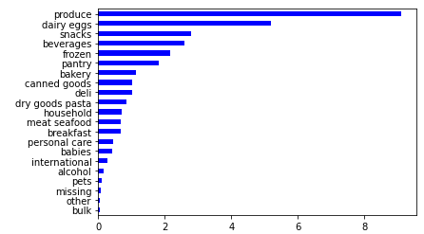

 |  | Looking at the bar chart above the most popular departments are Produce, Dairy eggs, snacks and beverages

 |  | Recommendation: Concentrate on ads for these departments but also investigate if we do ads for other departments if that will increase sales.

 | 5. What’s the distribution among users in regards to their brand loyalty (i.e., how often do they return to Instacart)?

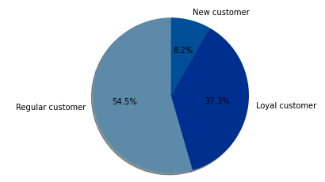

 |  |  |  |  |  |  |  |  |  |  | Looking at the pie chart we can see that the regular customer are more frequent.

 |  |  |  |  |  |  |  |  |  |  | Recommendation: The natural customer lifecycle is New customer becomes a regular customer which becomes a loyal customer.
 |  |  |  |  |  |  |  |  |  |  | the marketing group needs to create incentives to onboard new customers but also to get them to come back.
 |  |  |  |  |  |  |  |  |  |  | They also need to create incentives to keep our regular and loyal customers happy and to get our regular customers to become happy.
 |  |  |  |  |  |  |  |  |  |  | Survey data would be needed to analyse why our loyal customers come back and same for our regular customers.
 |  |  |  |  |  |  |  |  |  |  | If we can see why the customers decided to shop with us it would help devise a marketing strategy.

 | 6. Are there differences in ordering habits based on a customer’s loyalty status?

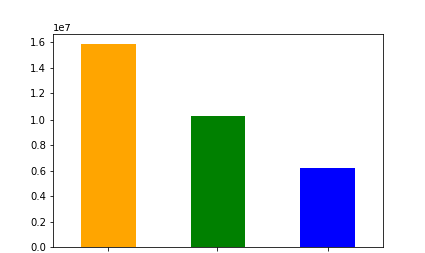
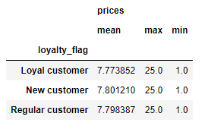
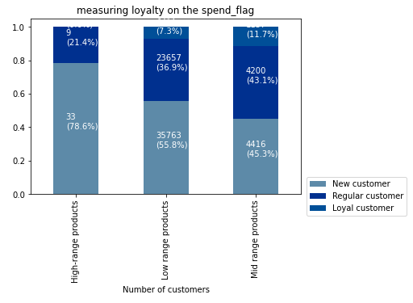

 |  |  |  |  |  |  |  |  | Our new customers spend more
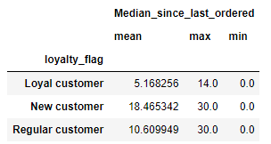
 |  |  |  |  |  |  |  |  |  |  |  |  |  | Our new customers buy more in all product price ranges
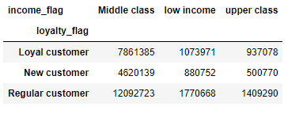

 |  |  | regular customer | loyal customer | new customer

 |  | In this bar chart we see that we have a larger segement of regular customers |  |  |  |  |  |  | Our loyal customers buy again sooner |  |  |  |  | Our customers are Middle class.
 |  |  |  |  |  |  |  |  |  |  |  |  |  |  |  |  |  |  | Our new customers buy more.

 |  | Recommendation: Althought we have middle class and a larger segment of regular customers and our loyal customers buy more often, it is our new customers that spend more and buy more in all our price ranges. Therefore I would try to gear our ads and sales/promotions towards them without neglecting our regular customer base.

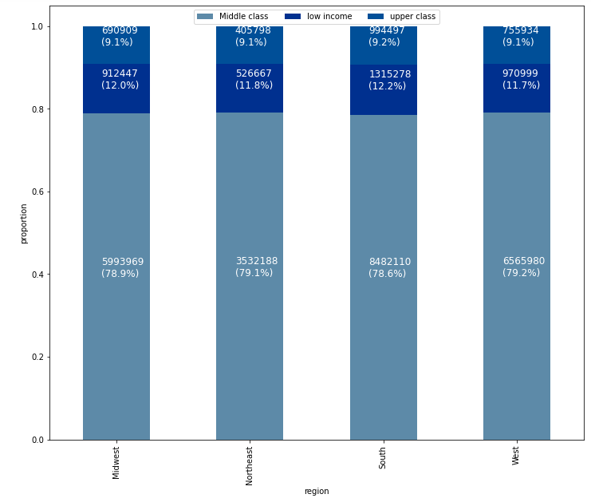
 | 7. Are there differences in ordering habits based on a customer’s region?
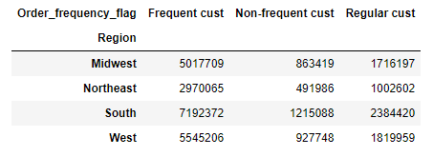
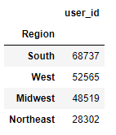
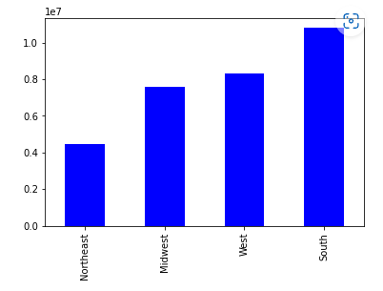

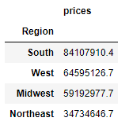
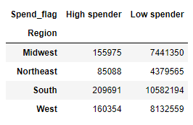
 |  |  |  |  |  |  |  |  |  |  |  |  |  |  |  |  |  |  |  |  |  | All states range in the same distribution of income brackets

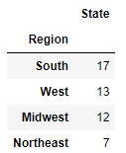
 |  |  |  |  |  |  |  |  |  |  |  |  |  |  |  |  |  |  |  |  |  |  |  | South has the highest concentration of all customers frequencies.
 |  |  |  |  |  |  |  |  |  |  |  |  |  |  |  |  |  |  |  |  |  |  |  | All states have more frequent customers.

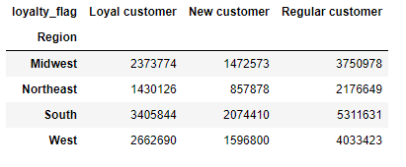

 |  |  |  |  |  |  |  |  |  |  |  | The South brings in more income but has the highest low/high spenders.
 |  |  |  |  |  |  |  |  |  |  |  | All states have more low spenders than high spenders

 |  |  |  |  |  |  |  |  |  |  |  |  |  |  |  |  |  |  |  |  |  |  |  | South has the highest concentration of loyalty segments.
 |  | We have a lot more customers in the South but please note we have more states in the South. |  |  |  |  |  |  |  |  |  |  |  |  |  |  |  |  |  |  |  |  |  | All states have more regular customers.

 |  | Recommendation: since our customer ordering habits towards a profile of a frequent and regular customer, a middle class but low spender customer.
 |  | Ads should reflect this customer profile.

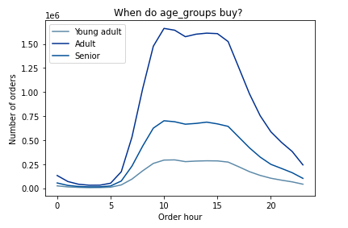
 | 8. Is there a connection between age and family status in terms of ordering habits?
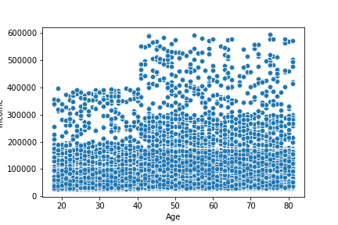
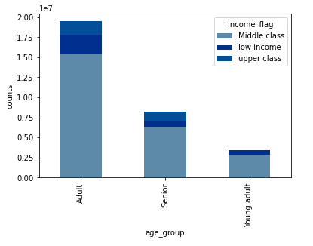
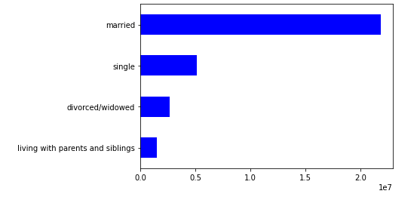
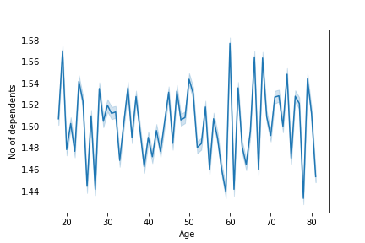
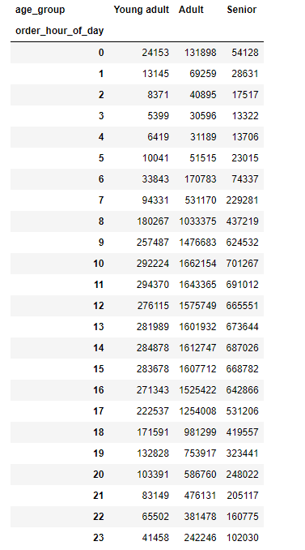
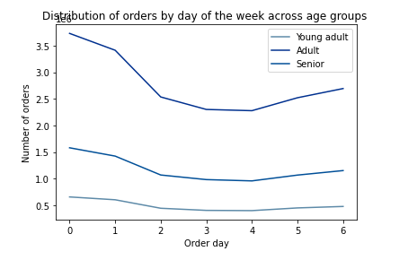

 |  |  |  |  |  |  |  |  |  |  |  |  |  |  |  |  |  |  |  |  |  |  |  |  |  |  |  |  |  | legend: | 0 | Saturday
 |  |  |  |  |  |  |  |  |  |  |  |  |  |  |  |  |  |  |  |  |  |  |  |  |  |  |  |  |  |  | 1 | Sunday
 |  |  |  |  |  |  |  |  |  |  |  |  |  |  |  |  |  |  |  |  |  |  |  |  |  |  |  |  |  |  | 2 | Monday
 |  |  |  |  |  |  |  |  |  |  |  |  |  |  |  |  |  |  |  |  |  |  |  |  |  |  |  |  |  |  | 3 | Tuesday
 |  |  |  |  |  |  |  |  |  |  |  |  |  |  |  |  |  |  |  |  |  |  |  |  |  |  |  |  |  |  | 4 | Wednesday
 |  |  |  |  |  |  |  |  |  |  |  |  |  |  |  |  |  |  |  |  |  |  |  |  |  |  |  |  |  |  | 5 | Thursday
 |  |  |  |  |  |  |  |  |  |  |  |  |  |  |  |  |  |  |  |  |  |  |  |  |  |  |  |  |  |  | 6 | Friday
 |  |  |  |  |  |  |  |  |  | income

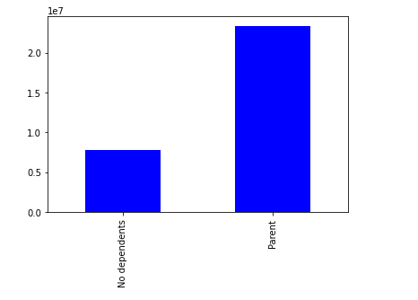
 |  |  |  |  |  |  |  |  |  |  |  |  |  |  |  |  |  |  |  |  |  |  |  |  |  |  |  | Based on the chart to the left and graph above:
 |  |  |  |  |  |  |  |  |  |  |  |  |  |  |  |  |  |  |  |  |  | Most of our customers are married |  |  |  |  |  | Adults buy more overall but between 0600 - 1700.
 |  |  | In this line chart we can see that in the early 20s and 60s the number of dependents increase. In their laste 20s, 50s and 70s they decrease and it stabilizes in the 30s to 50s again. |  |  |  |  |  |  |  |  | By this scatterplot chart we can deduct that all of our users at least earn 200K a year no matter their age. Also our users starting in their early 40s and up earn 300K a year. |  |  |  |  |  | By this bar chart we can see that all age groups are in the middle class income bracket. |  |  |  |  |  |  |  |  |  | Seniors are the middle line and buy between 0900 - 1600. | The numbers of orders increase for:
 |  |  |  |  |  |  |  |  |  |  |  |  |  |  |  |  |  |  |  |  |  |  |  |  |  |  |  | Yound adults buy the least and between 0900 - 1600. | Adults between Saturday and Sunday for 3.5 orders. From Monday to Thursday 2.5 orders and Friday closer to 3.
 |  |  |  |  |  |  |  |  |  |  |  |  |  |  |  |  |  |  |  |  |  |  |  |  |  |  |  |  | Seniors between Satruday and Sunday for 1.5 orders and the rest of the week in between 1.2-1 orders
 |  |  |  |  |  |  |  |  |  |  |  |  |  |  |  |  |  |  |  |  |  |  |  |  |  | And are parents |  |  | Young adults have a lift on Saturday and Sunday for 0.6 orders and the reast between 0.5 orders and below.

 |  |  | Recommendation: Yes there is a connection between age and ordering statuses but for salary all age groups have at least an income of 200k. It is only starting in the age of 40 and up that some customers have an income of 300K. Adults order more and have dependents. They order between the hours of 0600-1700 and place at least 3.5 orders especially on Saturday and Sunday. Seniors no longer have dependents. They order between the hours of 0900-1600 and place 1.5 orders on Saturday and Sunday. Young adults even though they could have an income of 200K they order less 0.6 orders on Saturday and Sunday and between the hours of 0900-1600. Therefore targeted ads should be done towards adults in consideration of their income, dependents and their purchasing times and days.

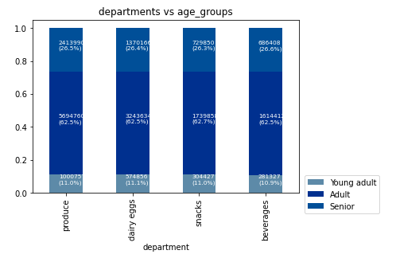
 | 9. What different classifications does the demographic information suggest? Age? Income? Certain types of goods? Family status?
 | 10. What differences can you find in ordering habits of different customer profiles? Consider the price of orders, the frequency of orders, the products customers are ordering, and anything else you can think of.

 |  | Age
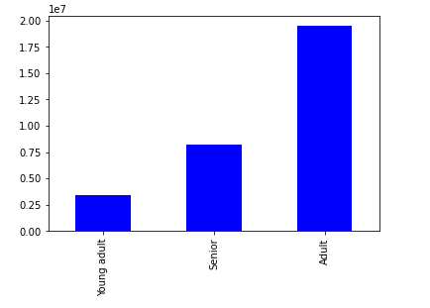
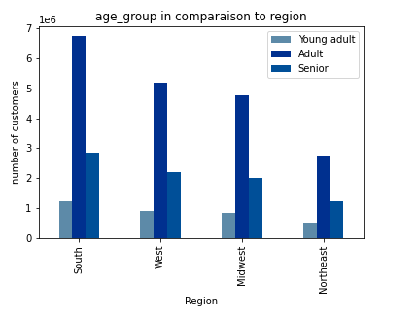
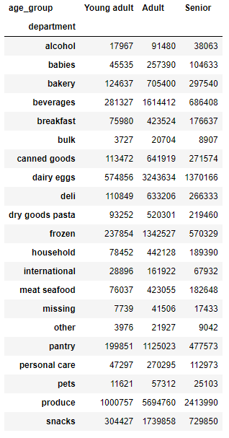
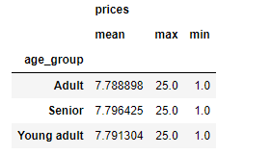
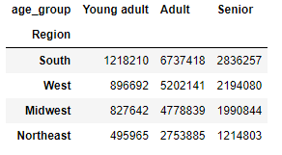
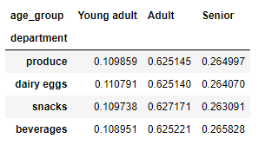

 |  |  |  |  |  |  | Seniors bring more income |  |  |  |  |  |  |  |  |  |  |  |  |  |  | These are the departments identified in question 4 as the most popular departments overall.
 |  |  |  |  |  |  |  |  |  |  |  | All states have more adult customers.

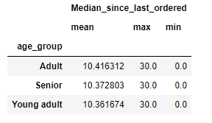
 |  |  |  |  |  |  |  |  |  |  |  |  |  |  |  |  |  |  |  |  |  | the top 4 departments by age group are:
 |  |  |  |  |  |  |  |  |  |  |  |  |  |  |  |  |  |  |  |  |  | yound adult: Produce, dairy eggs, snacks and beverages.
 |  |  |  |  |  |  |  |  |  |  |  |  |  |  |  |  |  |  |  |  |  | Adult: Produce, dairy eggs, snacks and frozen. |  |  | Within the identified top 4 departments, they are all equaly devided between the age groups.
 |  |  |  |  |  |  |  |  |  |  |  |  |  |  |  |  |  |  |  |  |  | Senior: Produce, dairy eggs, snacks and beverages.
 |  |  | We have more adult customers

 |  |  |  |  |  |  | on average seniors buy more often

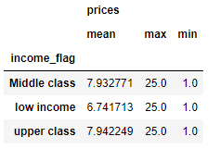
 |  | Income
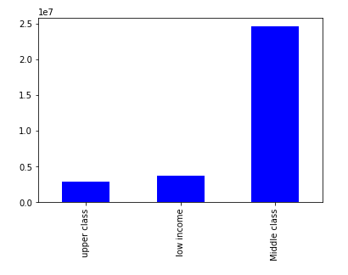
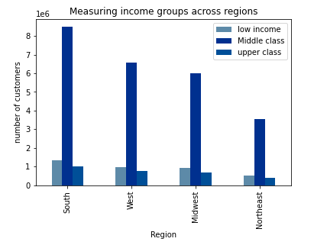
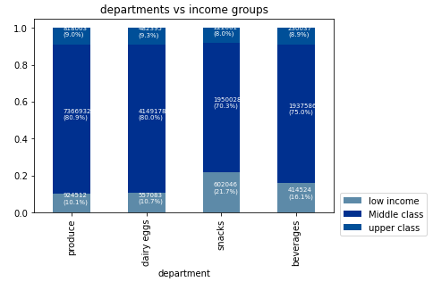

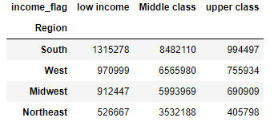
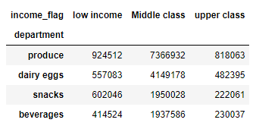

 |  |  |  |  |  | Upper class spends more.

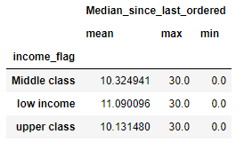
 |  |  |  |  |  |  |  |  |  |  | All states have more middle class customers.
 |  |  |  |  |  |  |  |  |  |  |  |  |  |  |  |  |  |  |  | Low income buy less overall but buy more snacks and beverages
 |  |  |  |  |  |  |  |  |  |  |  |  |  |  |  |  |  |  |  | middle class buy more overall but buy more produce and dairy eggs
 |  |  |  |  |  |  |  |  |  |  |  |  |  |  |  |  |  |  |  | Upper class buy more dairy eggs and produce.

 |  |  | We have more middle class customers.

 |  |  |  |  |  | Low income buy more often.

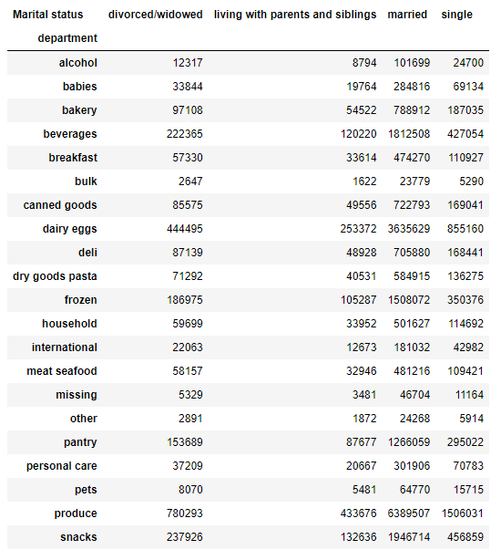
 |  | Marital Status
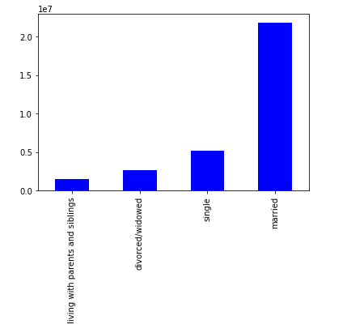
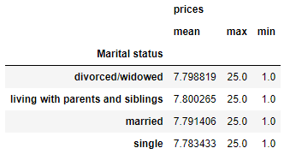
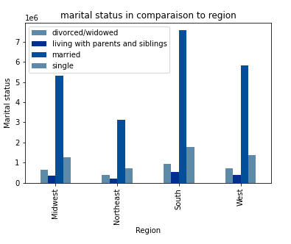
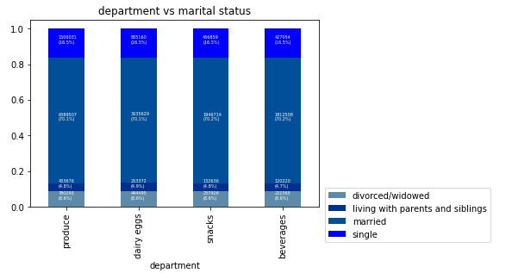

 |  |  |  |  |  |  |  |  |  |  |  |  |  |  |  |  |  |  |  |  |  |  |  |  |  |  | Within the identified top 4 departments, they are all equaly devided between the marital statuses.
 |  |  |  |  |  |  | Those living with their parents and sibiling spend more.

 |  |  |  |  |  |  |  |  |  |  |  |  |  |  |  |  | We have more married customers.
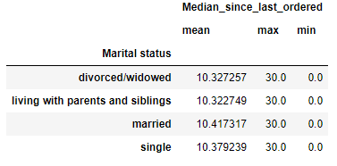

 |  |  |  |  |  |  | Those married buy more often.

 |  |  | We have more married customers.

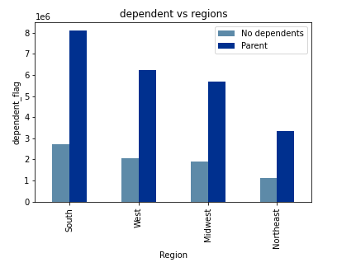
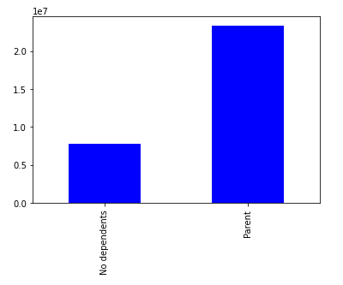
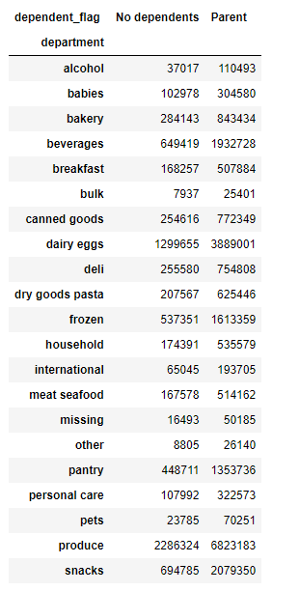


 |  | Number of dependents




 |  |  |  |  |  |  | Parents spend more.



 |  |  |  |  |  |  |  |  |  |  |  |  |  |  |  |  |  |  |  |  |  |  | Within the identified top 4 departments, they are all equaly devided between the dependent statuses.

 |  |  |  |  |  |  | Parents buy more often.

 |  |  | Most customers are parents. |  |  |  |  |  |  |  |  |  |  |  |  | All states have more customers that are parents.






 |  | Has pets




 |  |  |  |  |  |  | Those with pets spend more.



 |  |  |  |  |  |  |  |  |  |  |  |  |  |  |  |  |  |  |  |  | Within the customers that don't have pets, they have an equal division between all top 4 departments.

 |  | Most customers do not have pets. |  |  |  |  | Those that don't have pets buy more often.
 |  |  |  |  |  |  |  |  |  |  |  |  |  |  | All states have more customers that don't have pets.


 |  | Has baby








 |  |  |  |  |  |  | Those with babies spend more.



 |  |  |  |  |  |  |  |  |  |  |  |  |  |  |  |  |  |  |  |  | In the top 4 departments:
 |  |  |  |  |  |  |  |  |  |  |  |  |  |  |  |  |  |  |  |  | no babies: spend more in beverages
 |  |  |  |  |  |  |  |  |  |  |  |  |  |  |  |  |  |  |  |  | babies: spend more in dairy eggs.
 |  |  |  |  |  |  |  |  |  |  |  |  |  | All states have more customers without babies.

 |  | Most customers do not have babies.
 |  |  |  |  |  |  | Those without babies buy more often.

 |  |  | Recommendations for question 9 and 10 :
 |  |  | Here are the differences within each profile and what the information suggests:
 |  |  | age: |  |  |  |  |  | if you fit it into one criteria:
 |  |  | more adult cx |  |  |  |  |  | Age: Adult
 |  |  | seniors have more income and buy more often |  |  |  |  |  | buys: Produce, dairy eggs, snacks and frozen products
 |  |  | all states have more adult cx |  |  |  |  |  | Income: middle class
 |  |  | equal devision of top 4 departments |  |  |  |  |  | Marital status: married
 |  |  | the top 4 departments by age group are: |  |  |  |  |  | has dependents
 |  |  | yound adult: Produce, dairy eggs, snacks and beverages. |  |  |  |  |  | does not have pets
 |  |  | Adult: Produce, dairy eggs, snacks and frozen. |  |  |  |  |  | does not have babies
 |  |  | Senior: Produce, dairy eggs, snacks and beverages.

 |  |  | income:
 |  |  | we have more middle class cx
 |  |  | upper class spends more
 |  |  | lower class buys more often
 |  |  | all states have more middle class cx
 |  |  | Low income buy less overall but buy more snacks and beverages
 |  |  | middle class buy more overall but buy more produce and dairy eggs
 |  |  | Upper class buy more dairy eggs and produce.

 |  |  | Marital statsues:
 |  |  | more married cx
 |  |  | those living with parents/siblings spend more
 |  |  | married buy more often
 |  |  | equal devision of top 4 departments

 |  |  | dependents:
 |  |  | most customers are parents, they spend more and more often.
 |  |  | all states have more customers that are parents.
 |  |  | equal devision of top 4 departments

 |  |  | have pets:
 |  |  | no pets
 |  |  | those with pets spend more
 |  |  | those with no pets buy more often
 |  |  | most states have no pets
 |  |  | euqall in division of deparements in no pets

 |  |  | babies:
 |  |  | no babies
 |  |  | with spend more
 |  |  | no babies: buy more often
 |  |  | all states = no babies
 |  |  | In the top 4 departments:
 |  |  | no babies: spend more in beverages
 |  |  | babies: spend more in dairy eggs.

